Matrix
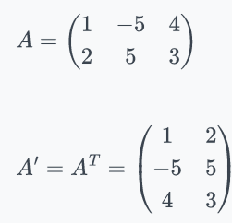
Matrix
A matrix is a rectangular array of numbers arranged into columns and rows (much like a spreadsheet).
Matrix algebra is used in statistics to express collections of data.
Matrix Dimension
The dimension of a matrix is expressed as number of rows × number (mxn) of columns. So,
B is a 4 × 3 matrix. It is common to refer to elements in a matrix by subscripts, like so.
With the row first and the column second. So in this case, b_{2,1}=5 and b_{3,3}=4
Vector
A vector is a matrix with only one row (called a row vector) or only one column (called a column vector).
C= [1 2 3 4]
C is a 4 dimensional row vector.
D is a 4 dimensional column vector.
An "ordinary" number can be thought of as a 1 × 1 matrix, also known as a scalar.
E=8
E is a scaler.
A | 1 | -5 | 4
 | 5 | 3 | -8
 | 1 | 5 | 4
 | 2 | 5 | 3

Copy the above matrix and paste as Transpose using Paste Special

 | 1 | 5 | 1 | 2
AT | -5 | 3 | 5 | 5
 | 4 | -8 | 4 | 3

Transpose of a Matrix
To take the transpose of a matrix, simply switch the rows and column of a matrix.
The transpose of A can be denoted as A' or A^{T} .
Types of Matrix
Square Matrix
A square matrix is a matrix where the number of rows (m) equals the number of columns (n). m=n
In general, A = [a_{ij}] m × m is a square matrix of order m.
Rectangular Matrix
A matrix is said to be a rectangular matrix if the number of rows is not equal to the number of columns. For example,
is a matrix of the order 4 × 3
Symmetric Matrix
If a matrix is its own transpose, then that matrix is said to be symmetric.
Symmetric matrices must be square matrices, with the same number of rows and columns.
Diagonal matrix
A square matrix B = [b_{ij}] m × m is said to be a diagonal matrix if all its non-diagonal elements are zero, that is a matrix
B =[b_{ij}] m×m is said to be a diagonal matrix if b_{ij} = 0, when i ≠ j. For example,
Upper Triangular Matrix
A square matrix in which all the elements below the diagonal are zero is known as the upper triangular matrix.
Lower Triangular Matrix
A square matrix in which all the elements above the diagonal are zero is known as the upper triangular matrix.
Zero or Null Matrix
A matrix is said to be zero matrix or null matrix if all its elements are zero.
are all zero matrices of the order 1, 2 and 3 respectively. We denote zero matrix by O.
Unit or Identity Matrix
If a square matrix has all elements 0 and each diagonal elements are non-zero, it is called identity matrix and denoted by I. Equal Matrices: Two matrices are said to be equal if they are of the same order and if their corresponding elements are equal to the square matrix A = [a_{ij}]_{n × n} is an identity matrix if
a_{ij} = 1 if i = j
a_{ij} = 0 if i ≠ j
We denote the identity matrix of order n by I_{n}. When the order is clear from the context, we simply write it as I.
are identity matrices of order 1, 2 and 3, respectively. Observe that a scalar matrix is an identity matrix when k = 1. But every identity matrix is clearly a scalar matrix.
Orthogonal Matrix
An orthogonal matrix, or orthonormal matrix, is a real square matrix whose columns and rows are orthonormal vectors.
One way to express this is
where Q^{T} is the transpose of Q and I is the identity matrix.

Matrix Addition
Matrix Addition
If A and B are matrices of the same size, their sum A+B is the matrix formed by adding corresponding entries.
If A = [a_{ij}]_{m× n} and B = [b_{ij}]_{m× n} , this takes the form
A+B=[aij+bij]
Note that addition is not defined for matrices of different sizes.
In addition, if one wishes to take the transpose of the sum of two matrices, then
A^{T}+B^{T}=[A+B]^{T}
Matrix addition does have many of the same properties as "normal" addition. (The associative law)
A+B=B+A
(A+B)+C=A+(B+C)

 |  |  |  |  | 2 | 3 | 4
 | 2 | 7 | 10 | AT | 7 | 8 | 9
A | 3 | 8 | 20 |  | 10 | 20 | 3
 | 4 | 9 | 3

B | 1 | 8 | 1 |  | 1 | 5 | 6
 | 5 | 6 | 6 | BT | 8 | 6 | 4
 | 6 | 4 | 4 |  | 1 | 6 | 4

A+B | 3 | 15 | 11
 | 8 | 14 | 26 | AT+BT | 3 | 8 | 10
 | 10 | 13 | 7 |  | 15 | 14 | 13
 |  |  |  |  | 11 | 26 | 7

Matrix Multiplication
Matrix Scalar Multiplication
To multiply a matrix by a scalar, also known as scalar multiplication, multiply every element in the matrix by the scalar.
More generally, if is any matrix A and is any number k, the scalar multiple is the matrix kA obtained from by multiplying each entry of A by k .
Matrix Scalar Multiplication
To perform matrix multiplication, the first matrix must have the same number of columns as the second matrix has rows.
The number of rows of the resulting matrix equals the number of rows of the first matrix, and the number of columns of the resulting matrix equals the number of columns of the second matrix.
So a 3 × 5 matrix could be multiplied by a 5 × 7 matrix, forming a 3 × 7 matrix, but one cannot multiply a 2 × 8 matrix with a 4 × 2 matrix. To find the entries in the resulting matrix, simply take the dot product of the corresponding row of the first matrix and the corresponding column of the second matrix.k .
Properties of Matrix Multiplication
There are certain properties of matrix multiplication operation in linear algebra in mathematics. These properties are as given below,
Non-Commutative: Matrix multiplication is non-commutative, i.e., for multiplication of two matrices A and B, AB ≠ BA.
Distributivity: The distributive property can be applied while multiplying matrices, i.e.,
A(B + C) = AB + BC, given that A, B, and C are compatible.
Product with Scalar: If the product of matrices A and B, AB is defined then,
c(AB) = (cA)B = A(Bc), such that c is a scalar.
Transpose: The transpose of the product of matrices A and B can be given as,
(AB)^{T} = B^{T}A^{T}, where T denotes the transpose.
Complex Conjugate: If A and B are complex entries, then (AB)* = B*A*
Associativity: Matrix multiplication is associative. Given three matrices A, B and C, such that the products (AB)C and A(BC) are defined, then (AB)C = A(BC).
Determinant: The determinant of product of matrices is nothing but the product of the determinants of individual matrices. i.e., det (AB) = det A × det B.

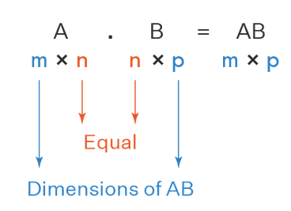

A | = | 1 | -5 | 4
 |  | 2 | 5 | 3

k | = | 6

kA | = | 6 | -30 | 24
 |  | 12 | 30 | 18

Matrix Multiplication
To multiply two vectors with the same length together is to take the dot product, also called inner product. This is done by multiplying every entry in the two vectors together and then adding all the products up.
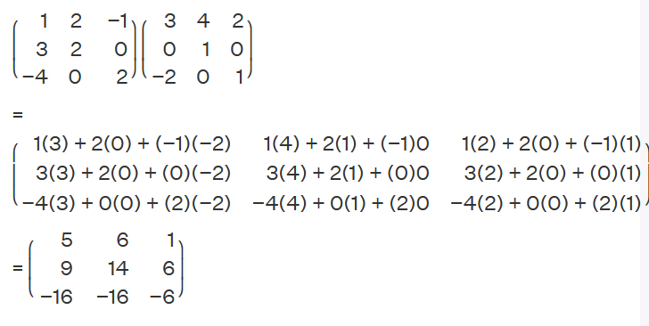

x | = | 1 | -5 | 4
 |  |  |  |  | 6*5 | 5*7
y | = | 4 | -2 | 5
 |  |  |  |  |  |  |  |  | 1 | 2 | -1
x∙y | = | 34 |  |  |  |  | A | = | 3 | 2 | 0
 |  |  |  |  |  |  |  |  | -4 | 0 | 2

 |  |  |  |  |  |  |  |  | 3 | 4 | 2
 |  |  |  |  |  |  | B | = | 0 | 1 | 0
 |  |  |  |  |  |  |  |  | -2 | 0 | 1

 |  |  |  |  |  |  |  |  | 5 | 6 | 1
 |  |  |  |  |  |  | AxB | = | 9 | 14 | 6
 |  |  |  |  |  |  |  |  | -16 | -16 | -6

Matrix Subtraction
Matrix Subtraction
The subtraction of matrices or matrix subtraction can only be possible if the number of rows and columns of both the matrices are the same.
While subtracting two matrices, we subtract the elements in each row and column from the corresponding elements in the row and column of the other matrix.
Properties of Matrix Subtraction
All constraints for the addition of matrices are applied to the subtraction of matrices as well.
But there are certain laws that matrix subtraction does not follow just like the subtraction of numbers.
The most important necessity for the subtraction of matrices to hold all these properties is that the matrix subtraction is defined only if the order of the matrices is the same.
1. The number of rows and columns should be the same for the matrix subtraction.
2. The subtraction of matrices is not commutative, that is, A - B ≠ B - A
3. The subtraction of matrices is not associative, that is, (A - B) - C ≠ A - (B - C)
4. The subtraction of a matrix from itself results in a null matrix, that is, A - A = O.
5. Subtraction of matrices is the addition of the negative of a matrix to another matrix, that is, A - B = A + (-B).
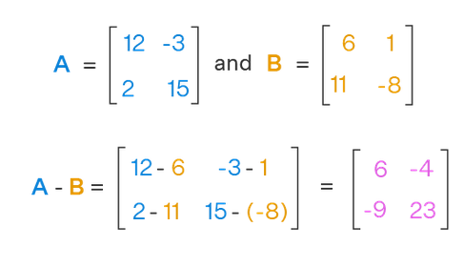

A | = | 12 | -3
 |  | 2 | 15

B | = | 6 | 1
 |  | 11 | -8

A-B |  | 6 | -4
 |  | -9 | 23

B-A | = | -6 | 4
 |  | 9 | -23

Laws of Matrix
Laws of Matrix Algebra
The algebra of matrix follows some rules for addition and multiplication.
Let us consider A, B and C are three different square matrices. A’ is the transpose and A⁻¹ is the inverse of A. I is the identity matrix and R is a real number.
Now as per the rules of laws of matrices:
A+B = B+A →Commutative Law of Addition
A+B+C = A +(B+C) = (A+B)+C →Associative law of addition
ABC = A(BC) = (AB)C →Associative law of multiplication
A(B+C) = AB + AC →Distributive law of matrix algebra
R(A+B) = RA + RB
Also, see here rules for transposition of matrices:
(A’)’ = A
(A+B)’ = A’+B’
(AB)’ = B’A’
(ABC) = C’B’A’
The inverse rules of matrices are as follows:
AI = IA = A
AA⁻¹ = A⁻¹A = I
(A⁻¹)⁻¹ = A
(AB)⁻¹ = B⁻¹A⁻¹
(ABC)⁻¹ = C⁻¹B⁻¹A⁻¹
(A’)⁻¹ = (A⁻¹)’

Determinant of Matrix
The determinant of matrix is the sum of products of the elements of any row or column and their corresponding co-factors.
The determinant of matrix is defined only for square matrices.
For any square matrix A, the determinant of A is denoted by det A (or) |A|.
It is sometimes denoted by the symbol Δ.
The process of calculating the determinants of 1x1 matrices and 2x2 matrices is pretty simple whereas the process becomes more complex as the order of the matrix increases. The process of finding the determinant of matrix involves minors and co-factors.

The determinate of a square, 2 × 2 matrix A is

 |  |  |  |  |  | 4 | 0 | -1
 |  |  |  | B | = | 2 | -2 | 3
 |  |  |  |  |  | 7 | 5 | 0
A | = | 5 | 2
 |  | 7 | 2 | |B| | = | -84 | =MDETERM(O21:Q23)

|A| | = | -4 | =MDETERM(C24:D25)

Singular Matrix
Singular Matrix
A singular matrix refers to a matrix whose determinant is zero. Furthermore, such a matrix has no inverse.
det A = 0 (which is also written as |A| = 0) (or)
A⁻¹ is NOT defined (i.e., A is non-invertible)

A | = | 4 | 8
 |  | 1 | 2

|A| | = | 0

A | = | 2 | 1 | 2
 |  | 1 | 0 | 1
 |  | 4 | 1 | 4

|A| | = | 0

Inverse of Matrix
Inverse of Matrix
Inverse of Matrix for a matrix A is denoted by A⁻¹.
The inverse of matrix is another matrix, which on multiplication with the given matrix gives the multiplicative identity.
For a matrix A, its inverse is A⁻¹, and A · A⁻¹ = A⁻¹· A = I, where I is the identity matrix.
The matrix whose determinant is non-zero and for which the inverse matrix can be calculated is called an invertible matrix.
The inverse of matrix is used of find the solution of linear equations through the matrix inversion method. Here, let us learn about the formula, methods, and terms related to the inverse of matrix.

To find the inverse of a square matrix A, we use the following formula:
A⁻¹ = adj(A) / |A|; |A| ≠ 0
where
A is a square matrix.
adj(A) is the adjoint matrix of A.
|A| is the determinant of A.
Note: For a matrix to have its inverse exists:
The given matrix should be a square matrix.
The determinant of the matrix should not be equal to zero.

Terms Related to Matrix Inverse
The following terms below are helpful for more clear understanding and easy calculation of the inverse of matrix.
Minor: The minor is defined for every element of a matrix. The minor of a particular element is the determinant obtained after eliminating the row and column containing this element.
the minor of the element a₁₁ is:
Cofactor: The cofactor of an element is calculated by multiplying the minor with -1 to the exponent of the sum of the row and column elements in order representation of that element.
Cofactor of a_{ij} = (-1)^{i + j} × minor of a_{ij}.
Adjoint of Matrix: The adjoint of a matrix is the transpose of the cofactor element matrix of the given matrix.

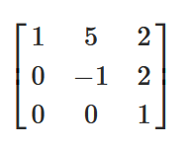

 | cofactors Aij of A

 |  | the adjoint matrix of A is
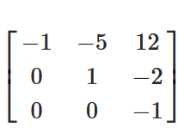

 |  | 1 | 5 | 2
A | = | 0 | -1 | 2
 |  | 0 | 0 | 1

 |  | 1 | 5 | -12
A-1 | = | 0 | -1 | 2 | =ARRAY_CONSTRAIN(ARRAYFORMULA(MINVERSE(D86:F88)), 3, 3)
 |  | 0 | 0 | 1

Eigen Value and Eigen Vector
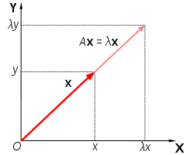
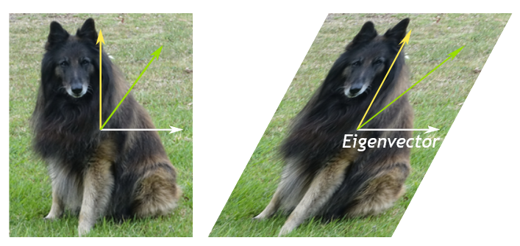
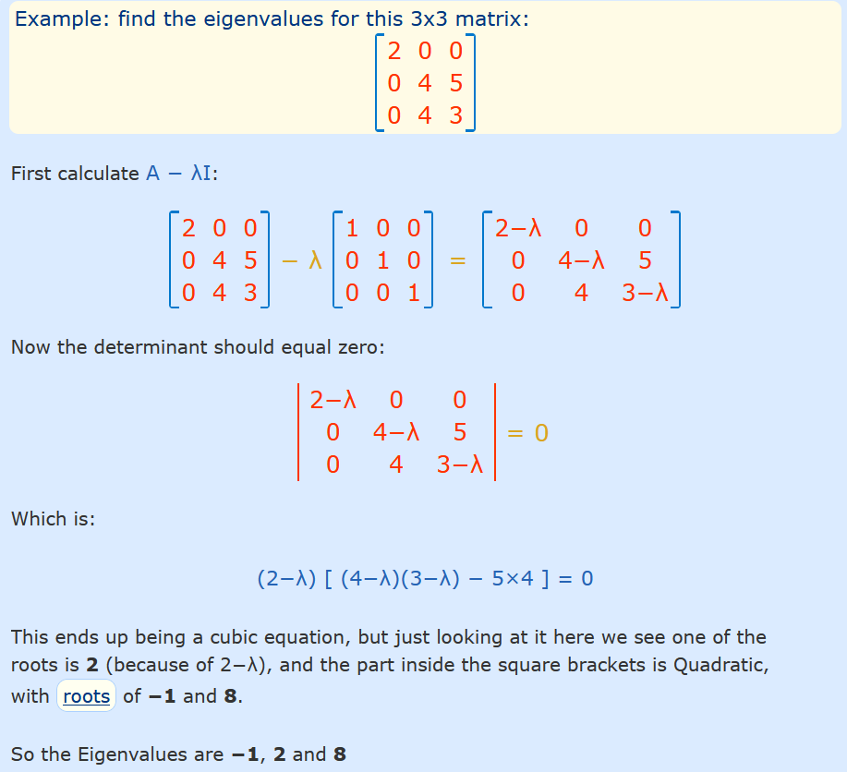
Eigenvalue
Eigenvalues are the special set of scalars associated with the system of linear equations.
It is mostly used in matrix equations. ‘Eigen’ is a German word that means ‘proper’ or ‘characteristic’.
Therefore, the term eigenvalue can be termed as characteristic value, characteristic root, proper values or latent roots as well.
In simple words, the eigenvalue is a scalar that is used to transform the eigenvector. The basic equation is
Ax = λx
The number or scalar value “λ” is an eigenvalue of A.
In Mathematics, an eigenvector corresponds to the real non zero eigenvalues which point in the direction stretched by the transformation whereas eigenvalue is considered as a factor by which it is stretched.
In case, if the eigenvalue is negative, the direction of the transformation is negative.
For every real matrix, there is an eigenvalue. Sometimes it might be complex.
The existence of the eigenvalue for the complex matrices is equal to the fundamental theorem of algebra.
EigenVectors
Eigenvectors are the vectors (non-zero) that do not change the direction when any linear transformation is applied. It changes by only a scalar factor.
In a brief, we can say, if A is a linear transformation from a vector space V and x is a vector in V, which is not a zero vector, then v is an eigenvector of A if A(X) is a scalar multiple of x.
An Eigenspace of vector x consists of a set of all eigenvectors with the equivalent eigenvalue collectively with the zero vector. Though, the zero vector is not an eigenvector.
Let us say A is an “n × n” matrix and λ is an eigenvalue of matrix A, then x, a non-zero vector, is called as eigenvector if it satisfies the given below expression;
Ax = λx
x is an eigenvector of A corresponding to eigenvalue, λ.
Note:
There could be infinitely many Eigenvectors, corresponding to one eigenvalue.
For distinct eigenvalues, the eigenvectors are linearly dependent.
Eigenvalues of a Square Matrix
Suppose, A_{n×n} is a square matrix, then [A- λI] is called an Eigen or characteristic matrix, which is an indefinite or undefined scalar.
Where determinant of Eigen matrix can be written as,
|A- λI| and |A- λI| = 0
is the Eigen equation or characteristics equation, where “I” is the identity matrix.
The roots of an Eigen matrix are called Eigen roots.
Eigenvalues of a triangular matrix and diagonal matrix are equivalent to the elements on the principal diagonals. But eigenvalues of the scalar matrix are the scalar only.
Properties of Eigenvalues
1. Eigenvectors with Distinct Eigenvalues are Linearly Independent
2. Singular Matrices have Zero Eigenvalues
3. If A is a square matrix, then λ = 0 is not an eigenvalue of A
4. For a scalar multiple of a matrix: If A is a square matrix and λ is an eigenvalue of A. Then, kλ is an eigenvalue of kA.
5. For Matrix powers: If A is square matrix and λ is an eigenvalue of A and n≥0 is an integer, then λ^{n} is an eigenvalue of A^{n}.
6. For polynomials of matrix: If A is a square matrix, λ is an eigenvalue of A and p(x) is a polynomial in variable x, then p(λ) is the eigenvalue of matrix p(A).
7. Inverse Matrix: If A is a square matrix, λ is an eigenvalue of A, then λ⁻¹ is an eigenvalue of A⁻¹
8. Transpose matrix: If A is a square matrix, λ is an eigenvalue of A, then λ is an eigenvalue of A^{T}

Rank of Matrix
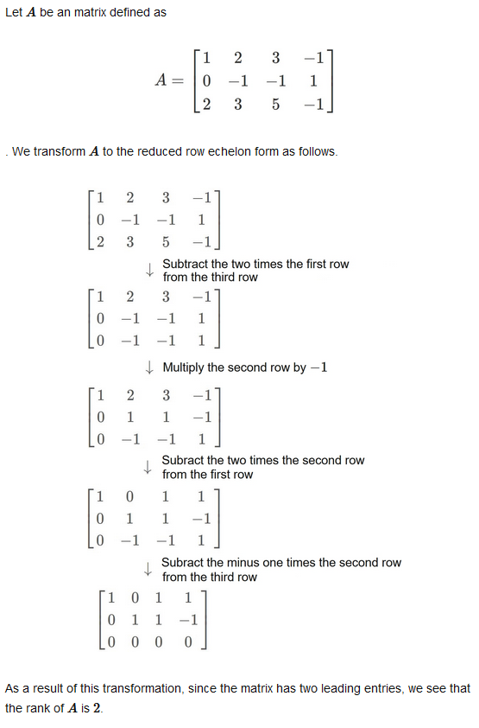
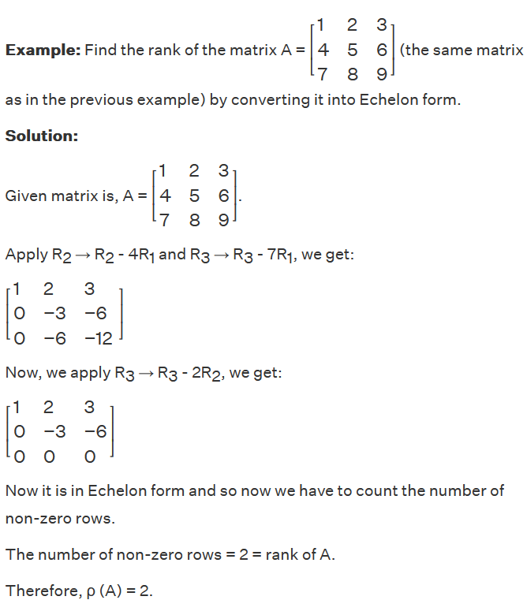
Rank of a Matrix
The maximum number of linearly independent rows in a matrix A is called the row rank of A, and the maximum number of linarly independent columns in A is called the column rank of A.
ρ(A) is used to denote the rank of matrix A.
Steps to Find the Rank of the Matrix by Echelon Form:
(i) The first element of every non-zero row should be 1.
(ii) The row in which every element is zero, then that row should be below the non-zero rows.
(iii) Total number of zeroes in the next non-zero row should be more than the number of zeroes in the previous non-zero row.

